Sheet1
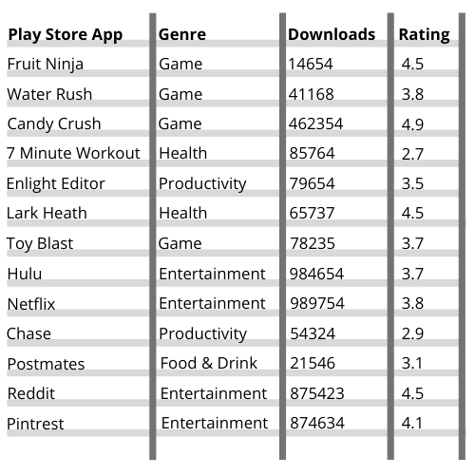
Assignment P. 266, Mean,Median,Mode |  | MEAN |  |  | MEDIAN |  |  | MODE
 |  | Downloads | Rating |  | Downloads | Rating |  | Downloads | Rating
 |  | 14654 | 4.5 |  | 14654 | 2.7 |  | 14654 | 2.7
 |  | 41168 | 3.8 |  | 21546 | 2.9 |  | 21546 | 2.9
 |  | 462354 | 4.9 |  | 41168 | 3.1 |  | 41168 | 3.1
 |  | 85764 | 2.7 |  | 54324 | 3.5 |  | 54324 | 3.5
 |  | 79654 | 3.5 |  | 65737 | 3.7 |  | 65737 | 3.7
 |  | 65737 | 4.5 |  | 78235 | 3.7 |  | 78235 | 3.7
 |  | 78235 | 3.7 |  | 79654 | 3.8 |  | 79654 | 3.8
 |  | 984654 | 3.7 |  | 85764 | 3.8 |  | 85764 | 3.8
 |  | 989754 | 3.8 |  | 462354 | 4.1 |  | 462354 | 4.1
 |  | 54324 | 2.9 |  | 874634 | 4.5 |  | 874634 | 4.5
 |  | 21546 | 3.1 |  | 875423 | 4.5 |  | 875423 | 4.5
 |  | 875423 | 4.5 |  | 984654 | 4.5 |  | 984654 | 4.5
 |  | 874634 | 4.1 |  | 989754 | 4.9 |  | 989754 | 4.9
 | Mean: | 355992 | 3.82 | Median: | 79654 | 3.8 | Mode: | No Mode | 3.7, 3.8, 4.5

